Pricing model
Cost per room | Occupancy Rate | Rooms Booked | Total Revenue (generated) | Profit (when profit%=50%) | 30% Taxes to be Given | Final Profit Procured
₹ 8,000.00 | 80.000% | 32 | ₹ 256,000 | ₹ 128,000 | ₹ 38,400 | ₹ 89,600
₹ 8,500.00 | 78.125% | 31 | ₹ 265,625 | ₹ 132,813 | ₹ 39,844 | ₹ 92,969
₹ 9,000.00 | 76.250% | 31 | ₹ 274,500 | ₹ 137,250 | ₹ 41,175 | ₹ 96,075
₹ 9,500.00 | 74.375% | 30 | ₹ 282,625 | ₹ 141,313 | ₹ 42,394 | ₹ 98,919
₹ 10,000.00 | 72.500% | 29 | ₹ 290,000 | ₹ 145,000 | ₹ 43,500 | ₹ 101,500
₹ 10,500.00 | 70.625% | 28 | ₹ 296,625 | ₹ 148,313 | ₹ 44,494 | ₹ 103,819
₹ 11,000.00 | 68.750% | 28 | ₹ 302,500 | ₹ 151,250 | ₹ 45,375 | ₹ 105,875
₹ 11,500.00 | 75.000% | 30 | ₹ 345,000 | ₹ 172,500 | ₹ 51,750 | ₹ 120,750
₹ 12,000.00 | 65.000% | 26 | ₹ 312,000 | ₹ 156,000 | ₹ 46,800 | ₹ 109,200
₹ 12,500.00 | 55.000% | 22 | ₹ 275,000 | ₹ 137,500 | ₹ 41,250 | ₹ 96,250
₹ 13,000.00 | 45.000% | 18 | ₹ 234,000 | ₹ 117,000 | ₹ 35,100 | ₹ 81,900
₹ 13,500.00 | 35.000% | 14 | ₹ 189,000 | ₹ 94,500 | ₹ 28,350 | ₹ 66,150
₹ 14,000.00 | 25.000% | 10 | ₹ 140,000 | ₹ 70,000 | ₹ 21,000 | ₹ 49,000
₹ 14,500.00 | 15.000% | 6 | ₹ 87,000 | ₹ 43,500 | ₹ 13,050 | ₹ 30,450
₹ 15,000.00 | 5.000% | 2 | ₹ 30,000 | ₹ 15,000 | ₹ 4,500 | ₹ 10,500
₹ 15,500.00 | -5.000% | -2 | -₹ 31,000 | -₹ 15,500 | -₹ 4,650 | -₹ 10,850

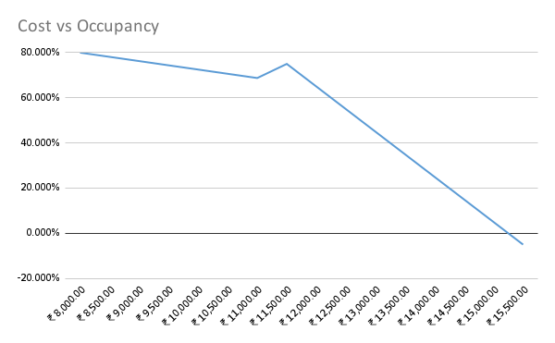
Additional Occupancy Rate vs. Add-ons
 | Additional Occupancy Rate
₹ 200.00 | 193%
₹ 300.00 | 293%
₹ 400.00 | 393%
₹ 500.00 | 493%
₹ 600.00 | 12%
₹ 700.00 | 13%
₹ 800.00 | 15%
₹ 900.00 | 11%
₹ 1,000.00 | 8%
₹ 1,100.00 | 4%
₹ 1,200.00 | 0%
Cost Per Room vs. Year
 | Cost Per Room
1996 | ₹ 3,850.00
1997 | ₹ 4,042.50
1998 | ₹ 4,244.63
1999 | ₹ 4,456.86
2000 | ₹ 4,679.70
2001 | ₹ 4,913.68
2002 | ₹ 5,159.37
2003 | ₹ 5,417.34
2004 | ₹ 5,688.20
2005 | ₹ 5,972.61
2006 | ₹ 6,271.24
2007 | ₹ 6,584.81
2008 | ₹ 6,914.05
2009 | ₹ 7,259.75
2010 | ₹ 7,622.74
2011 | ₹ 8,003.87

